Read Me
1 | Go to the "Criteria" sheet. The predefined values ​​are recommended if there are no special conditions. Otherwise, update the data accordingly.

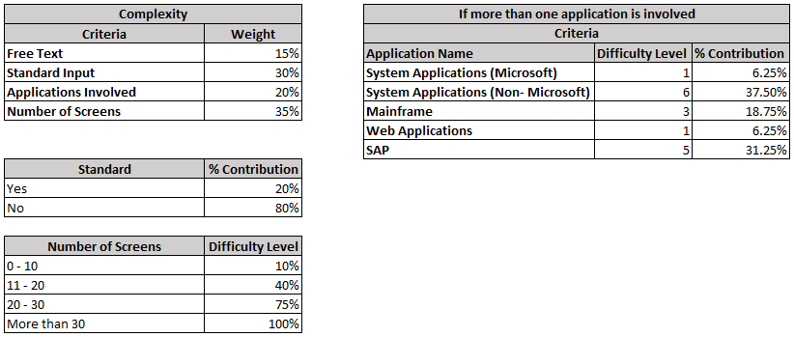

2 | Allocate the weighted percentage for each criteria. The respective sums must be 100%.

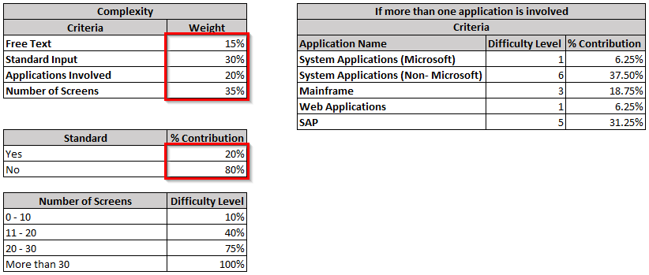

3 | Go to the "Complexity Calculator" sheet, and enter the required details (white colored cells) to determine the complexity and effort.
 | The percentage of free text, if any, will be derived by dividing the total free text input count by the total input count (standard + free text) then multiplied by 100.
 | (Note: Having a value of "Yes" in the standard input means 100% of the input data is categorized as STANDARD.)
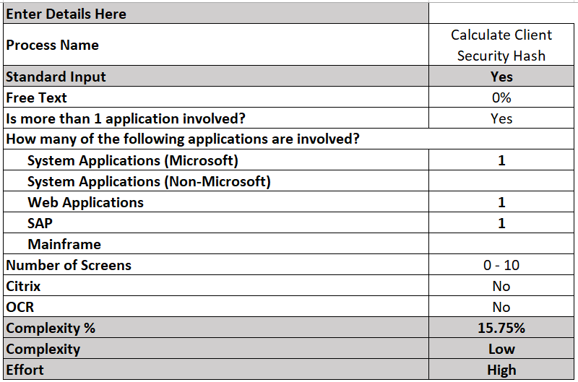

4 | The results for both complexity and effort will be calculated.

